Flashcard
S.No | Chapter | Comment | Screenshot
1 | Chapter 1 | No comments
2 | Chapter 2 | No comments
3 | Chapter 3 | No comments
4 | Chapter 4 | No comments
5 | Chapter 5 | In Card 10, please italicize the text “quality improvement” in the definition of the term “Quality assurance” as per the manuscript. Manuscript screenshot:
6 | Chapter 6 | In Card 8, the definition of the term “Leadership,” the number “2” appears as a superscript at the end of the sentence in the manuscript. Could you please confirm whether it should be formatted as a superscript or can be removed? Manuscript screenshot:
7 | Chapter 7 | No comments
8 | Chapter 8 | No comments
9 | Chapter 9 | In Card 5, the definition of the term “Cardiorespiratory fitness (CRF),” the number “87” appears as a superscript at the end of the sentence in the manuscript. Could you please confirm whether it should be formatted as a superscript or can be removed? Manuscript screenshot: | 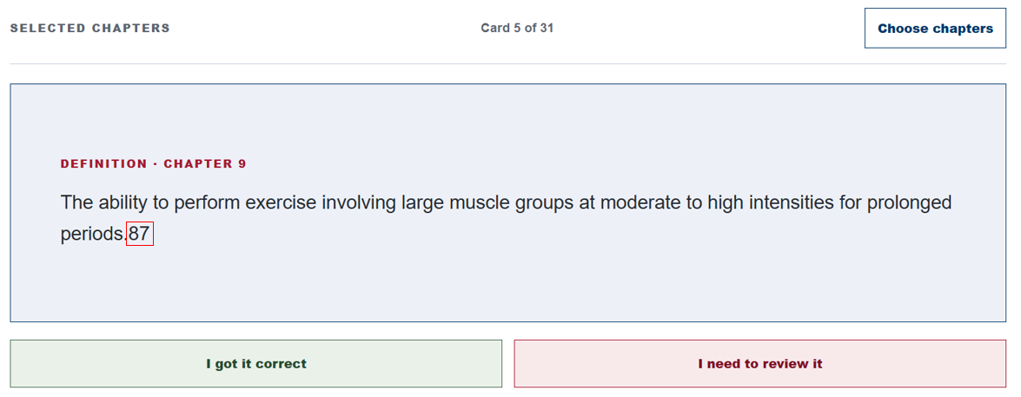
10 | Chapter 9 | In Chapter 9, Card 12, please italicize the text “underwater weighing; ” in the definition of the term “Hydrodensitometry” as per the manuscript. Manuscript screenshot: | 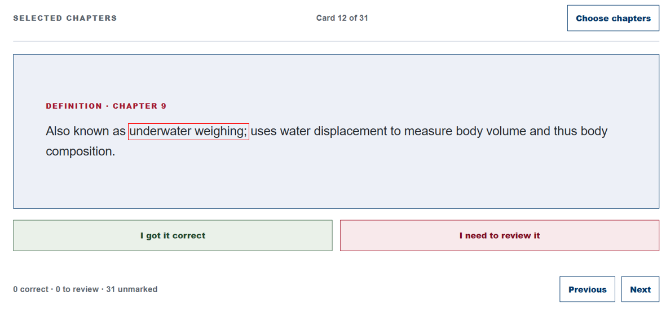
11 | Chapter 9 | In Chapter 9, Card 26, please italicize the text “strength training ” and "weightlifting," in the definition of the term “Resistance training” as per the manuscript. Manuscript screenshot: | 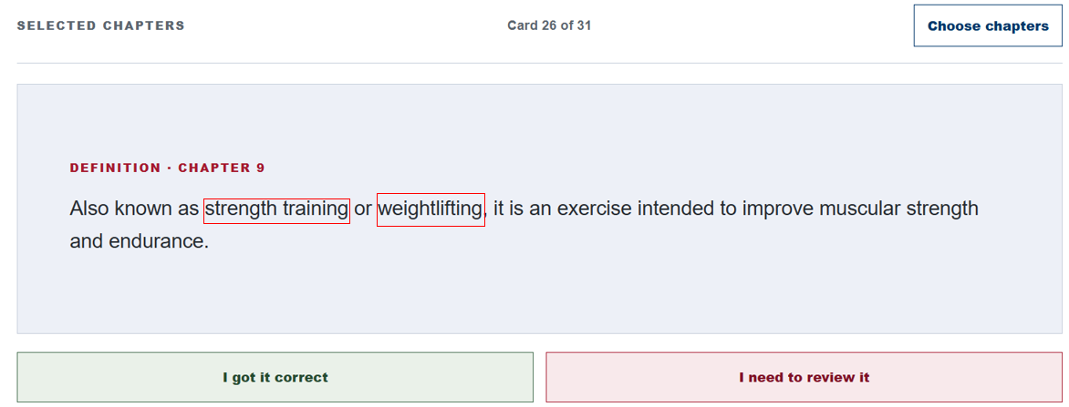
12 | Chapter 9 | In Chapter 9, Card 31, please format the number “2” in “VO₂max” as a subscript, as per the manuscript. Manuscript screenshot: | 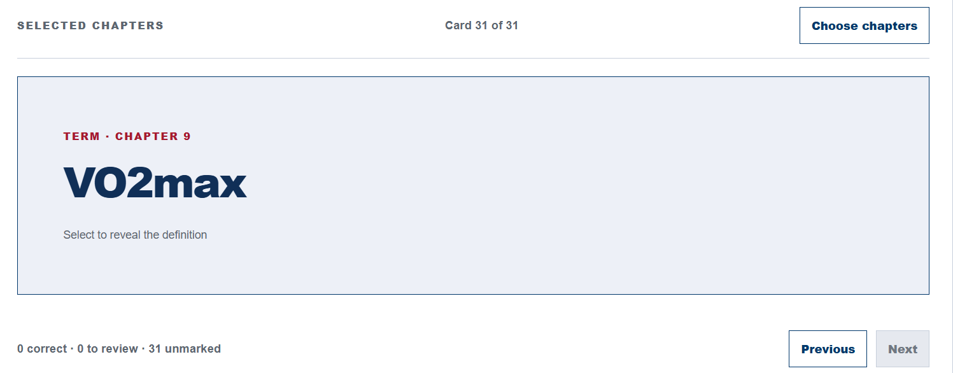
13 | Chapter 10 | No comments
14 | Chapter 11 | In Card 2, the definition of the term “Commotio cordis,” the number “89” appears as a superscript at the end of the sentence in the manuscript. Could you please confirm whether it should be formatted as a superscript or can be removed? Manuscript screenshot: | 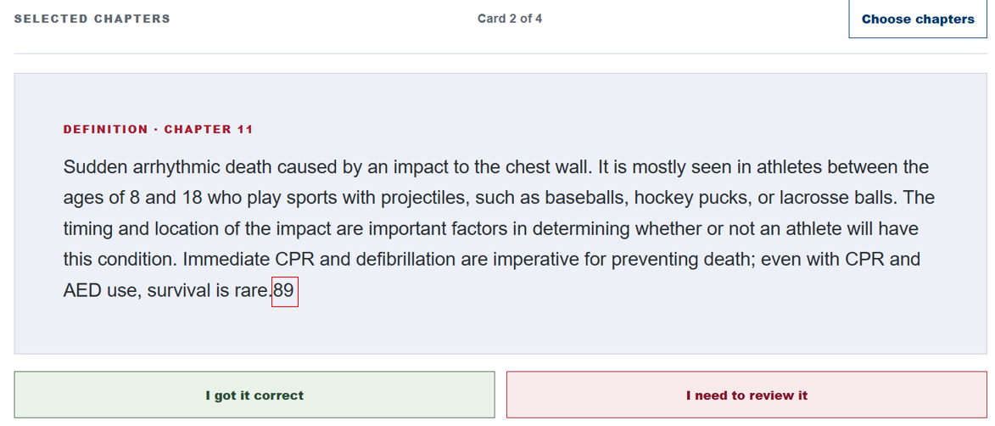
15 | Chapter 12 | In Chapter 12, Card 7, please italicize the text “stiffness ” in the definition of the term “Rigidity” as per the manuscript. Manuscript screenshot: | 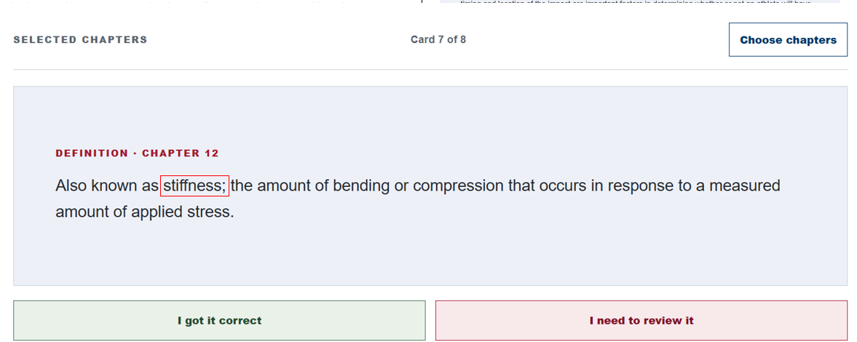
16 | Chapter 13 | No comments
17 | Chapter 14 | No comments
18 | Chapter 15 | In Chapter 15, Card 7, please italicize the text “compact bone ” in the definition of the term “Cortical bone" as per the manuscript. Manuscript screenshot: | 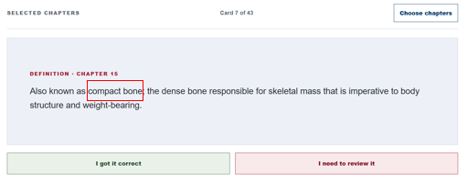
19 | Chapter 15 | In Chapter 15, Card 9, please italicize the text “growth plate ” in the definition of the term “Epiphyseal plate" as per the manuscript. Manuscript screenshot: | 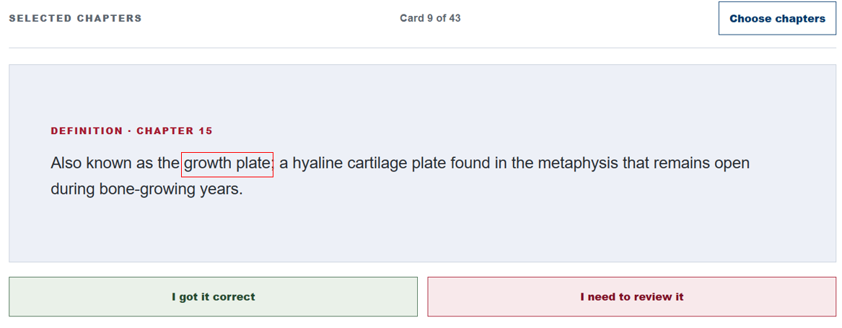
20 | Chapter 15 | In Chapter 15, Card 40, please italicize the text “spongy bone ” in the definition of the term “Trabecular bone" as per the manuscript. Manuscript screenshot:
21 | Chapter 16 | No comments
22 | Chapter 17 | In Chapter 17, Card 5, please italicize the highlihgted text “radiograph", and " X-ray ” in the definition of the term “Radiographic image" as per the manuscript. Manuscript screenshot:
23 | Chapter 18 | No comments
24 | Chapter 19 | No comments
25 | Chapter 20 | No comments
26 | Chapter 21 | No comments
27 | Chapter 22 | No comments
28 | Chapter 23 | No comments
29 | Chapter 24 | No comments

Chapter Quizzes
S.No | Chapter | Comment | Screenshot
1 | Chapter 1 | No comments
2 | Chapter 2 | In Question 9, to maintain consistency, shall we capitalize the first letter of option C, as the first letters of the other three options are capitalized. | 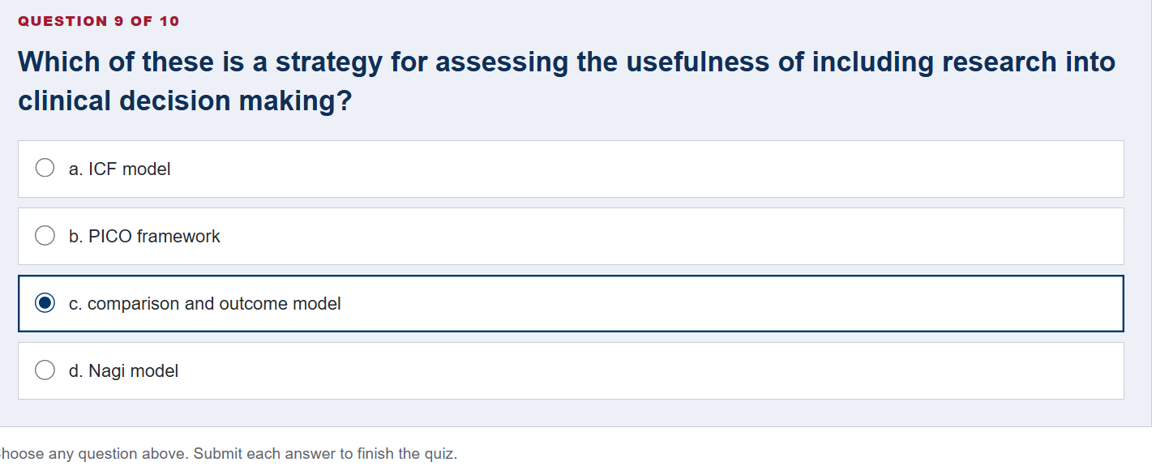
3 | Chapter 3 | No comments
4 | Chapter 4 | No comments
5 | Chapter 5 | In Question 10, to maintain consistency, shall we capitalize the first letter of option d, as the first letters of the other three options are capitalized. | 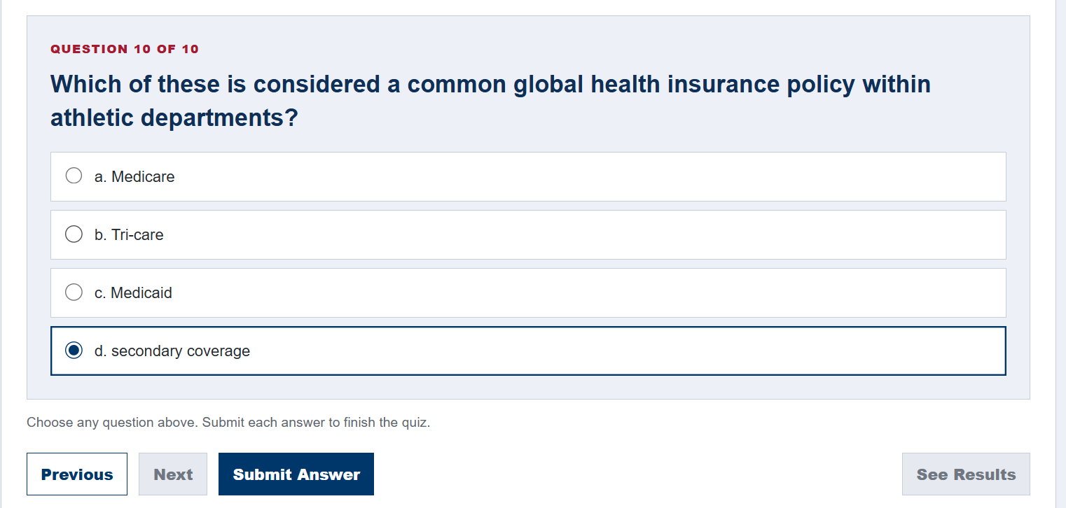
6 | Chapter 6 | No comments
7 | Chapter 7 | No comments
8 | Chapter 8 | In Question 1, to maintain consistency, shall we capitalize the first letters of options A, C, and D, as in option B. | 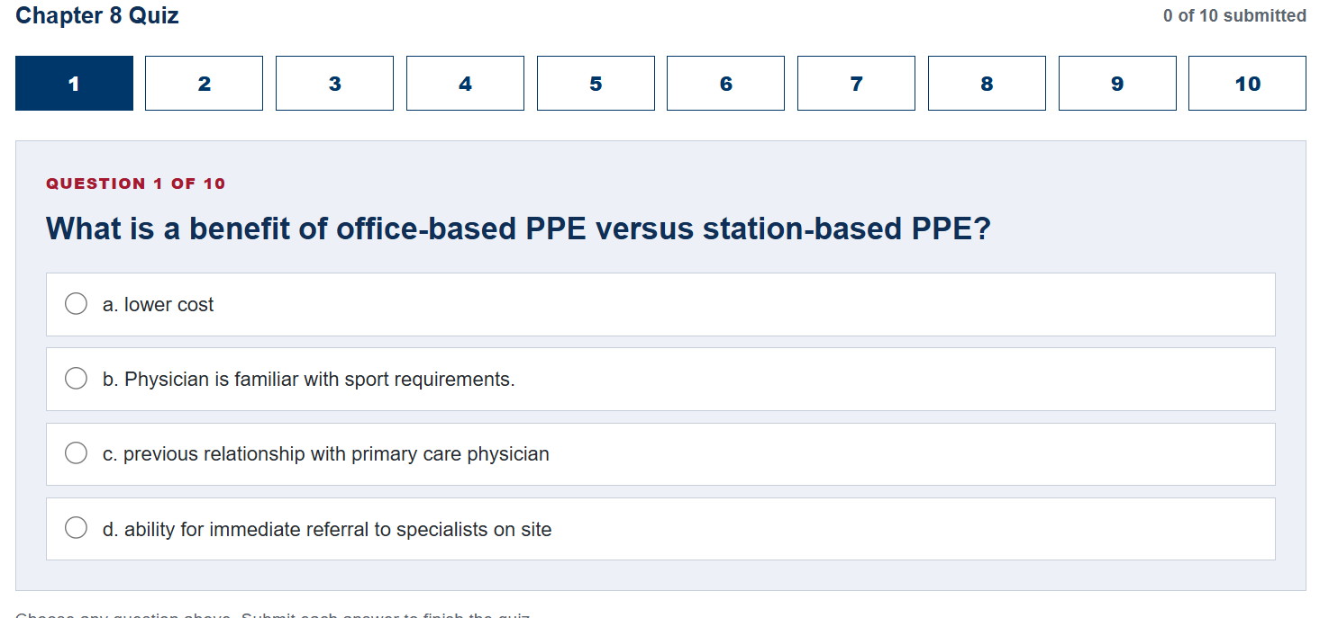
9 | Chapter 9 | In question 4, Please format the “2” in “V̇O2max” as a subscript, so it appears as “V̇O₂max.” Manuscript screenshot: | 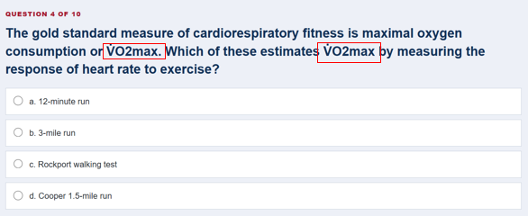
10 | Chapter 10 | No comments
11 | Chapter 11 | In Question 2, option b, the text specifies “one in.” Could you please confirm whether it should be retained as is or changed to “one inch”? | 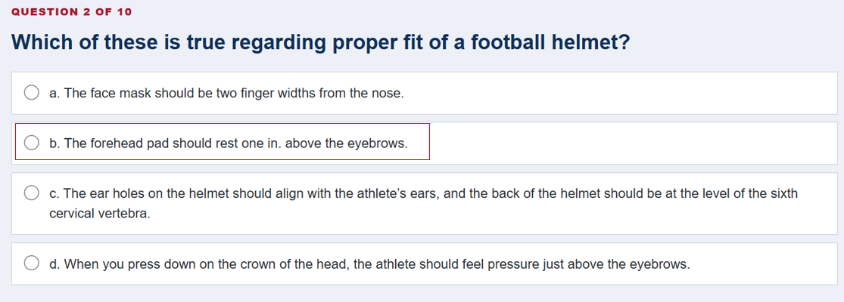
12 | Chapter 12 | In Question 8, option a and d, the text specifies “ 3-5 in.” and "6 in. to the side and 2 in." Could you please confirm whether it should be retained as is or changed to “ 3-5 inch” and "6 in. to the side and 2 inch" ? | 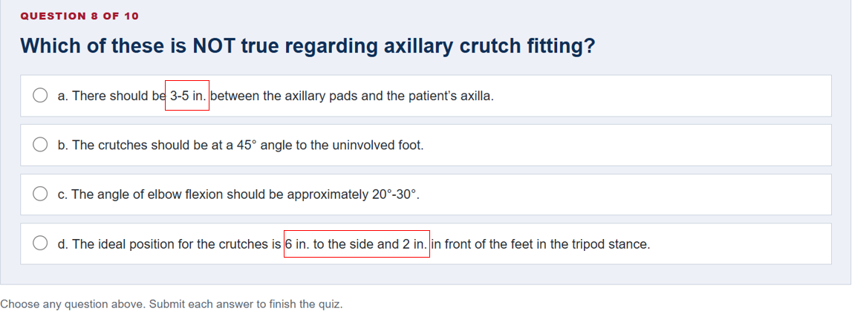
13 | Chapter 13 | No comments
14 | Chapter 14 | No comments
15 | Chapter 15 | In question 6, please add a space after the number 8 - It should be: "8 to 15-year-old patient" | 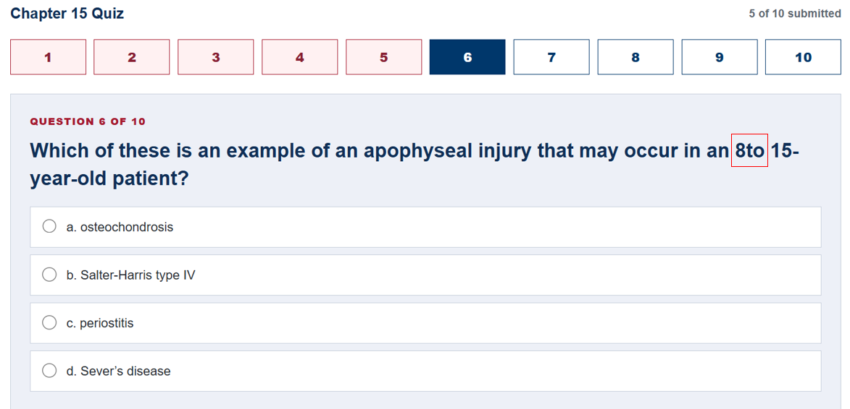
16 | Chapter 15 | In Question 9, to maintain consistency, shall we change the first letter of option a, b and c to uppercase? | 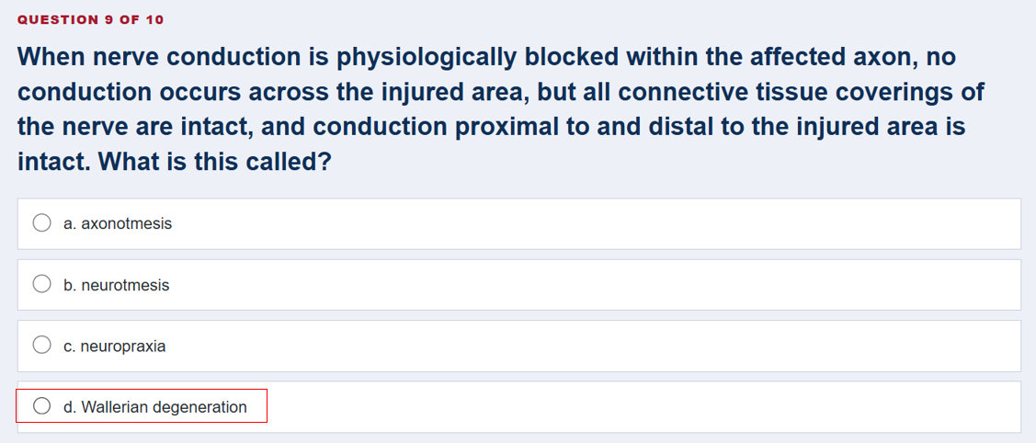
17 | Chapter 16 | No comments
18 | Chapter 17 | No comments
19 | Chapter 18 | 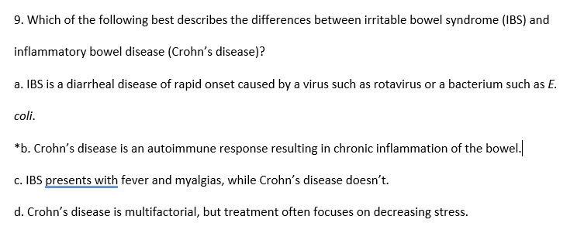 As per the manuscript, please italicize the highlighted text "E. coli" in option a. Manuscript screenshot: | 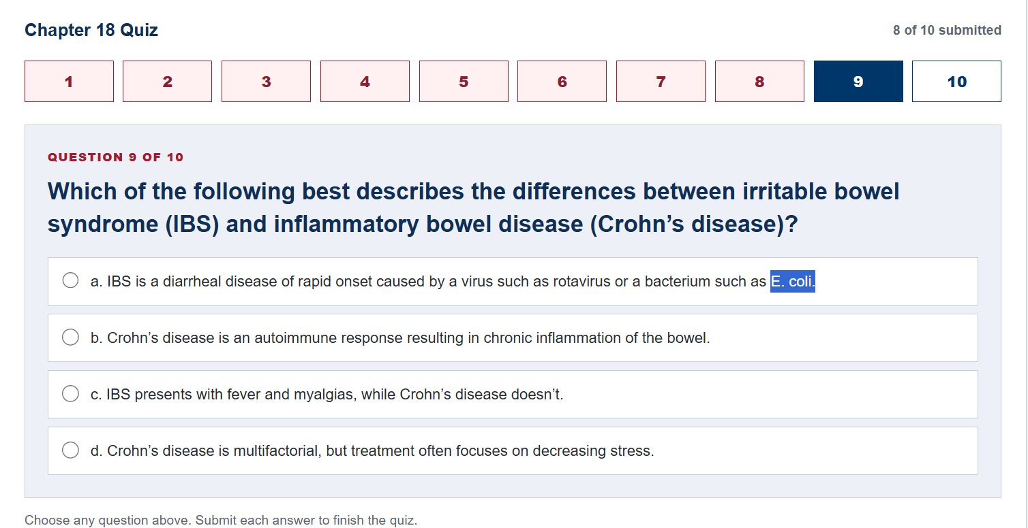
20 | Chapter 19 | No comments
21 | Chapter 20 | No comments
22 | Chapter 21 | No comments
23 | Chapter 22 | No comments
24 | Chapter 23 | No comments
25 | Chapter 24 | In Question 6, In options use the short form "in." Could you please confirm whether it should be retained as is or changed to “inch”? | 